1. Title Page
Instacart Grocery Basket Analysis

Project Name: Instacart Grocery Basket Analysis
Date: February 2023

Contents:
Population Flow
Consistency checks
Wrangling steps
Column derivations
Visualizations
Recommendations

2. Population Flow
 | Title page

Population flow

Exclusion flag
Condition: max_order < 5
Obervations to be removed:
Final total count of order_products_all: 32.404.859

Orders_products_combined
Orders_products_merged
Orders_products_all

Total: 32.434.489
Total: 32.404.859
Total: 10.000.000 *)
*) Rows reduced due to MemoryError

1.) The grey boxes in the first row of the population flow represent the original data sets as they were when you downloaded them. In the Total fields you need to add the count of the rows when you imported the data set into Jupyter.
2.) The second row of boxes (coloured) represents the data sets after you manipulated them, e.g., removed missing values and duplicates. In the Total fields you need to add the count of the rows after conducting these operations. This offers a visual oveview of how the data flows throughout the data consistency checks.
3.) The third row, where also the arrows are coloured, represents the merges you performed between the datasets. In the Total fields you need to add the count of the rows in the merged datasets, so that you end up with the final dataset (in the red box). Keep in mind the final dataset should be without exclusions (based on the exclusion flag).

3. Consistency checks
 |  |  |  | Title page
Consistency checks

Dataset | Missing values | Missing values treatment | Duplicates
orders | Column: days_since_prior_order 206.209 values missing | missing values due to first order of a customer. 0 days since last order.
products | 16 missing | deleted 16 rows | 5 duplicates deleted
orders_products_prior
customers

4. Wrangling steps
 |  |  |  | Title page
Wrangling steps

Columns dropped | Columns renamed | Columns' type changed | Comment/Reason
orders data: "eval_set" |  |  | No need for this analysis
 | order_dow -> orders_days_of_week |  | "dow" can be interpreted differently - better understanding
 |  | order_id: int64 -> string (object) | order_id is like a name
 |  | user_id: int64 -> string (object) | user_id is like a name
 |  | order_hour_of_day: int64 -> string (object) | Addition of an hour have no sense
 | STATE to state
 | Surname -> last_name

products data: "Unnamed: 0" |  |  | No need for this analysis
ords_prods_cust data: "_merge_old" |  |  | to avoid conflict at next merge

5. Column derivations
 |  |  |  | Title page

Column derivations and aggregations

In this tab you should add tables below that the frequences of flags/label variables that you produced after deriving them. NB: don't do this for continuous variables, only for flags.
Dataset | New column | Column/s it was derived from | Conditions
df_ords_prods_merged | loyalty_flag' | 'max_order' | max_order'] > 40, 'loyalty_flag'] = 'Loyal customer' ['max_order'] <= 40) &['max_order'] > 10), 'loyalty_flag'] = 'Regular customer' ['max_order'] <= 10, 'loyalty_flag'] = 'New customer'
df_ords_prods_merged | spending_flag' | 'avg_spending' | ['avg_spending'] >= 10, 'spending_flag'] = 'High Spender'e['avg_spending'] < 10, 'spending_flag'] = 'Low Spender'
df_ords_prods_merged | 'frequency_flag' | 'order_frequency' | ['order_frequency'] > 20, 'frequency_flag'] = 'Non-frequent customer' ['order_frequency'] <= 20) & ['order_frequency'] > 10), 'frequency_flag'] = 'Regular frequent customer' ['order_frequency'] <= 10, 'frequency_flag'] = 'Frequent customer'

6&7 Visualizations incl. Q&A
 | Title page

Visualisations and Q&As

In this tab you should include all the visualtions from Exercises 4.9 and 4.10, alongside the questions from the project brief that they answer. Include any commentary on the relationship between different variables.

Question:
Senior Stakeholders wants to know on which hours of the day the highest amount of orders are taking place.



Answer: The highest frequency of orders are between 10 a.m. and 3 p.m.

Question:
The marketing team is curious about the distribution of orders among customers in terms of loyalty.



Answer: It is typical, that new customer do not have highest frequncy of orders.

Question:
Check whether there’s a difference in expenditure (the “prices” column) depending on the hour of the day.
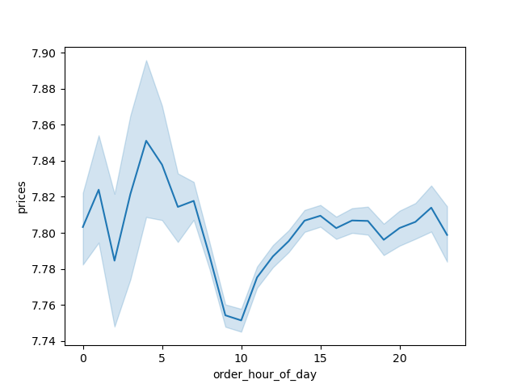

Anwser: Most spendings happens during the night and in the evenening, but there is not much difference.

Question:
The Marketing Department wants to know whether there's a connection between age and family to target marketing campaingns.

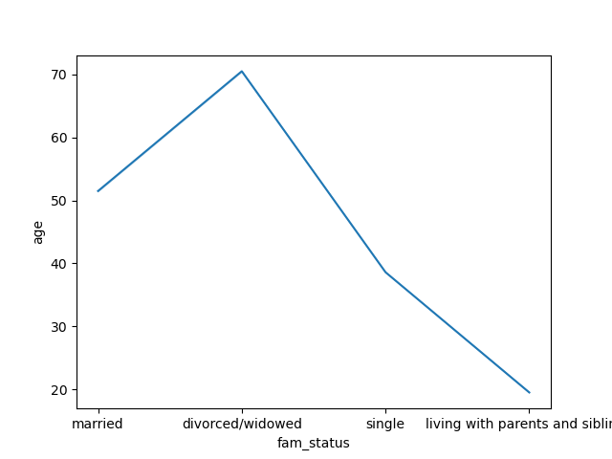

Answer:
Very interesting chart, which is approving the depedence of age and family status. Living with parents and siblings logically
# at ages lower the (let's say age of 30). Divorced/widowed starting at age of fifty.

Question:
The Marketing Department also wants to know whether there's a connection between age and and spending power.


Answer:

The above scatterplot shows that the average income about 200.000 USD reflects the majority of customers from age 20 to 80.
But density of people with higer spending power gets thinner than age is increasing. Interesting point is, that higher income
than average starts at the age of 40 above 400.000 USD per year.

